Test1
TEDI

Using Postman collection I sent each by one different events.
Next I check in TriniTron if there is no errors.
I also check the load in Navisphere.
Load | Container
201782680 | GESU1111111

{
"trackingNumber": "8QYVRDF4NJC6WSBL7DLYJZFENX"
}



I check TriniTron
No errors

Right now I check Navisphere TEDI to check the updates

I check Container Tracking tab

Below we see updates in Container Routing, Milestone events
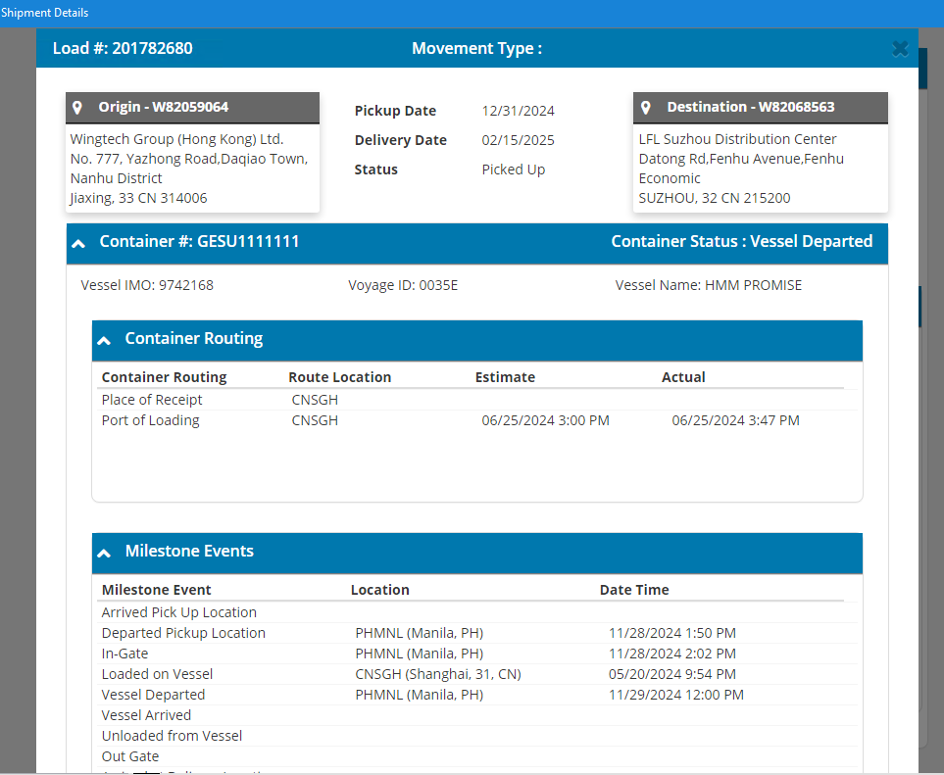

I check also All Events -> AES updates

Test passed

Test2
TEDI

Using Postman collection I sent each by one different events.
Next I check in TriniTron if there is no errors.
I also check the load in Navisphere.
Load | Container
201774343 | C20-001

{
"trackingNumber": "JS2HQSGH4N6LY3ZTR35WPGNJZS"
}

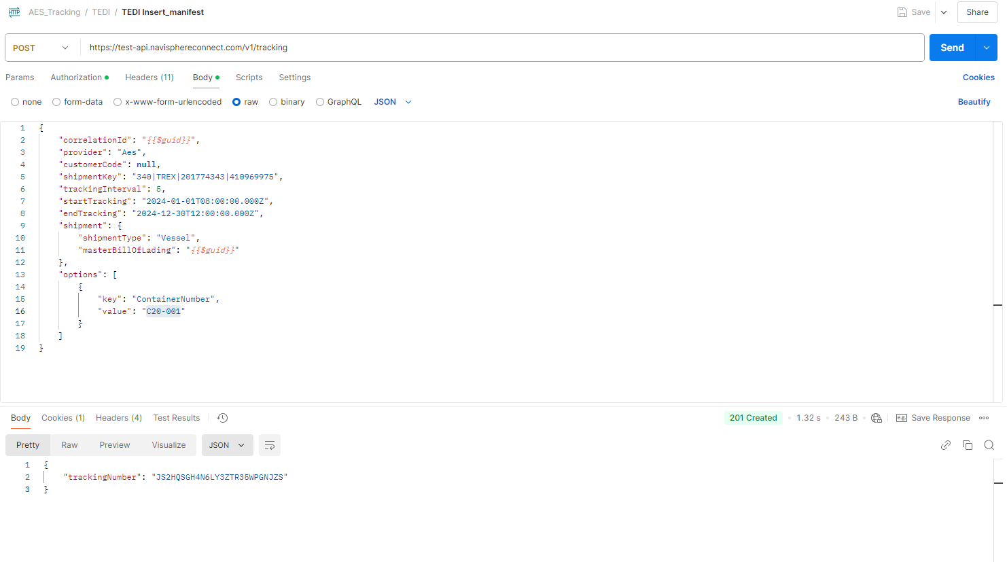

I check TriniTron
No errors

Right now I check Navisphere TEDI to check the updates

I check Container Tracking tab

Below we see updates in Container Routing, Milestone events

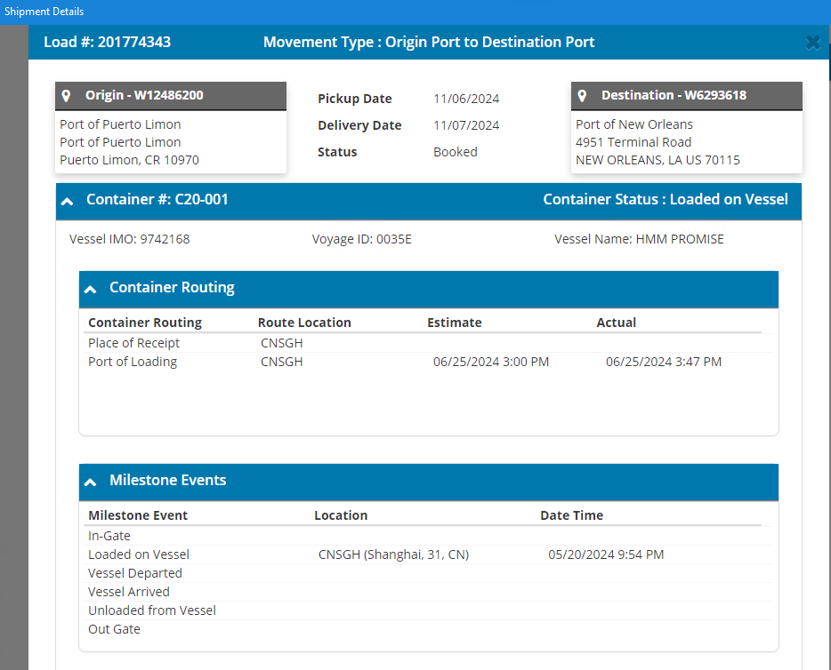

I check also All Events -> AES updates

Test passed

Test3
TEDI

Using Postman collection I sent each by one different events.
Next I check in TriniTron if there is no errors.
I also check the load in Navisphere.
Load | Container
201774342 | DCIU5424083

{
"trackingNumber": "TJMSMEZBDB2CYHV9WYWPV4NFM3"
}

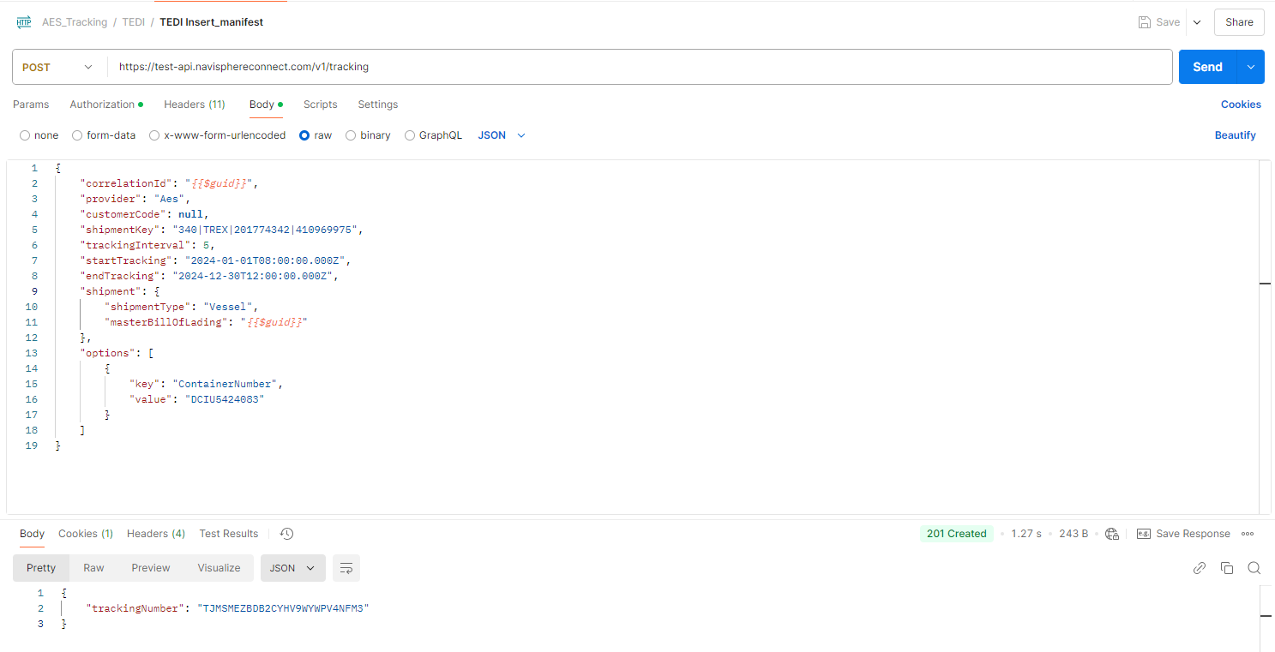

I check TriniTron
No errors

Right now I check Navisphere TEDI to check the updates

I check Container Tracking tab

Below we see updates in Container Routing, Milestone events

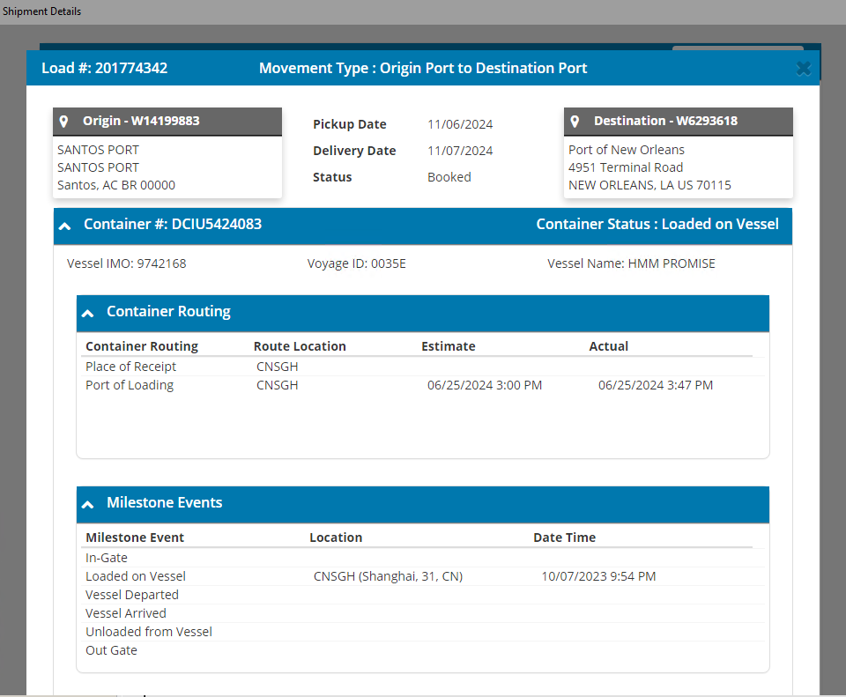

I check also All Events -> AES updates

Test passed

Test4
TEDI

Using Postman collection I sent each by one different events.
Next I check in TriniTron if there is no errors.
I also check the load in Navisphere.
Load | Container
201774103 | TCLU1779402

{
"trackingNumber": "AC436RYLGTQAYUN3Y7BPMQV4TX"
}

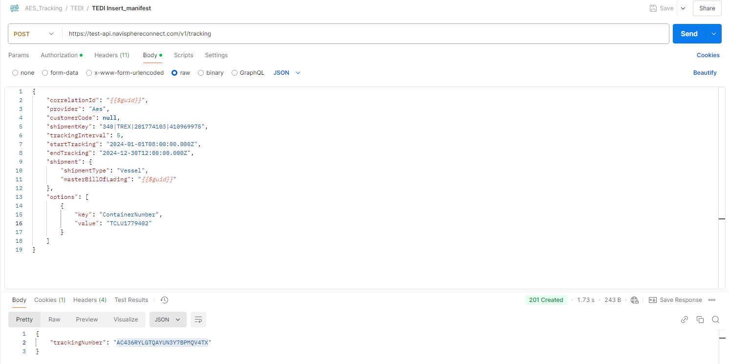

I check TriniTron
No errors

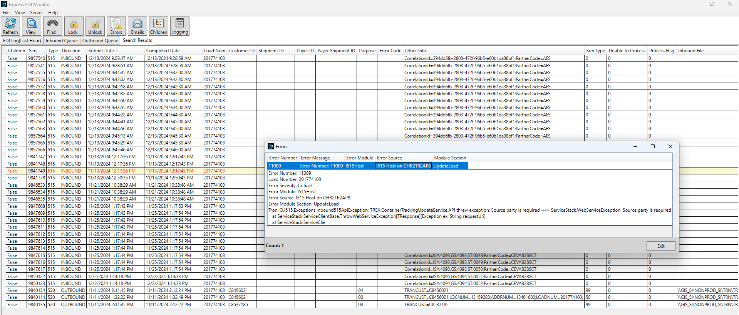
 |  | when data processed is not selected

Right now I check Navisphere TEDI to check the updates

I check Container Tracking tab

Below we see updates in Container Routing, Milestone events

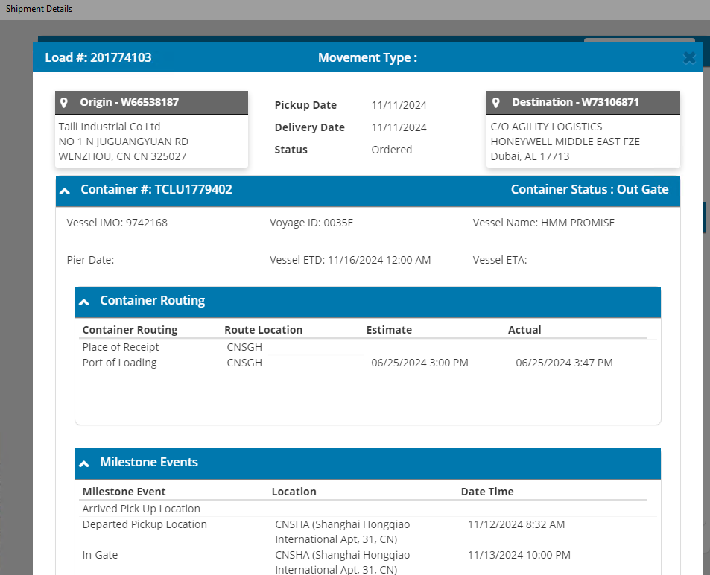

I check also All Events -> AES updates

Test passed

Test5
TEDI

Using Postman collection I sent each by one different events.
Next I check in TriniTron if there is no errors.
I also check the load in Navisphere.
Load | Container
201773671 | HLBU2274601

{
"trackingNumber": "CWRKU7E6SFHEYPXCT93V4UKXYW"
}

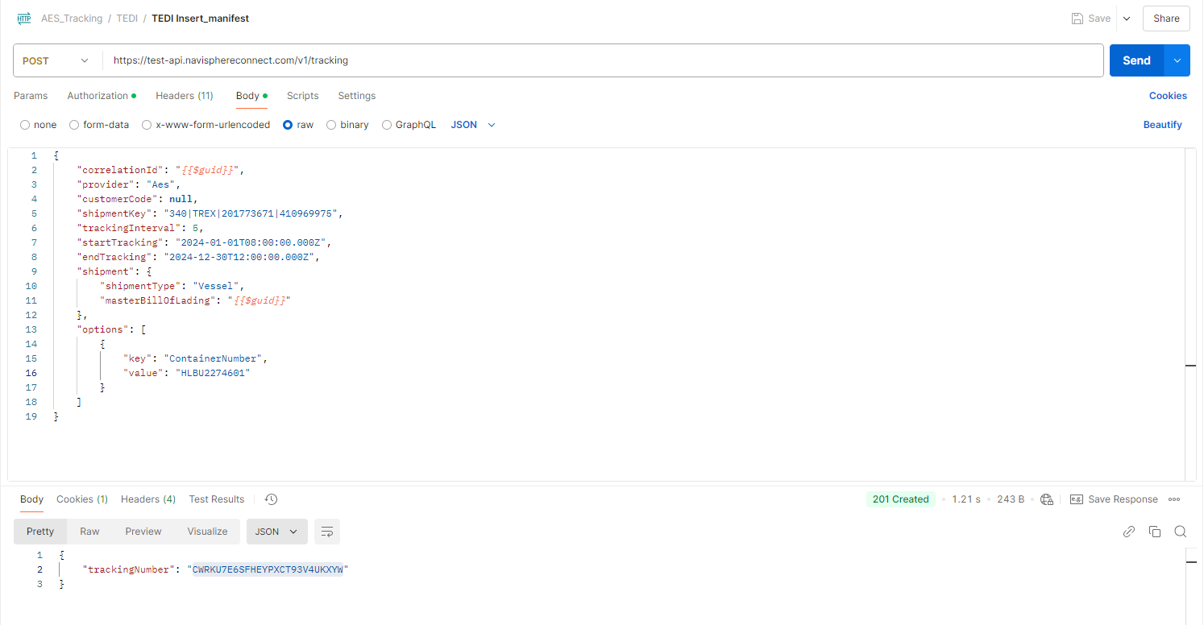

I check TriniTron
No errors

Right now I check Navisphere TEDI to check the updates

I check Container Tracking tab

Below we see updates in Container Routing, Milestone events

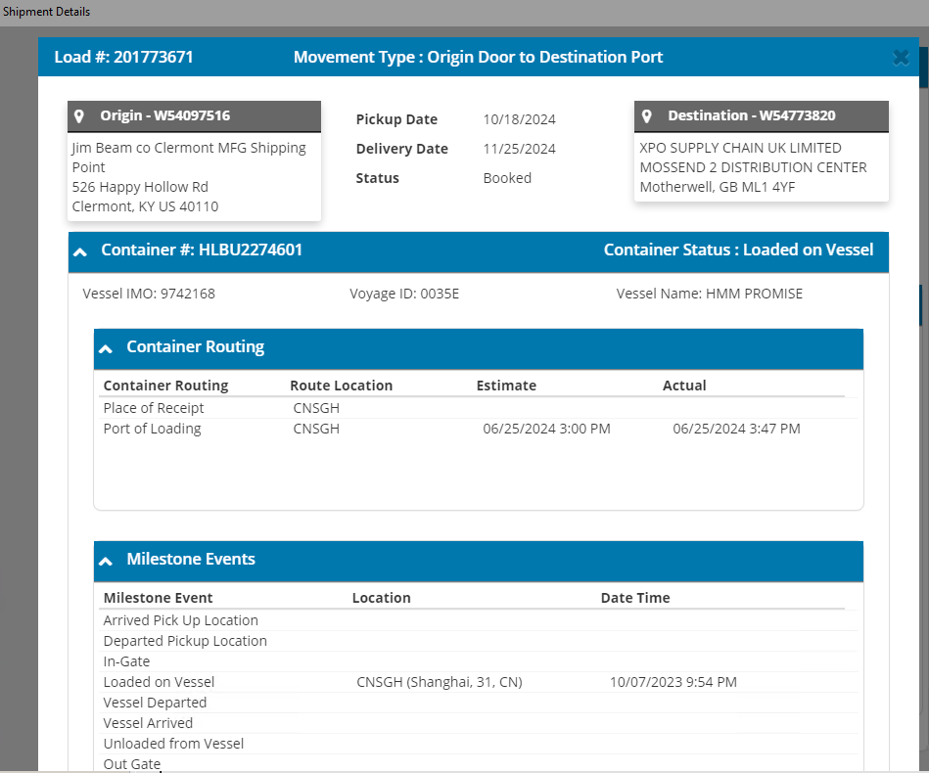

I check also All Events -> AES updates

Test passed

PROD Test
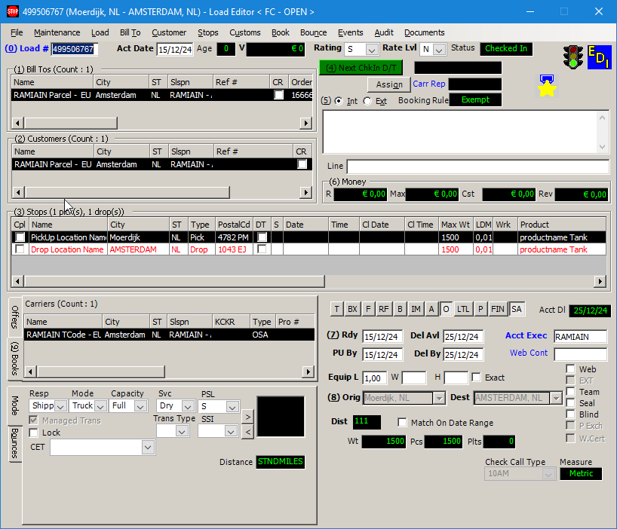
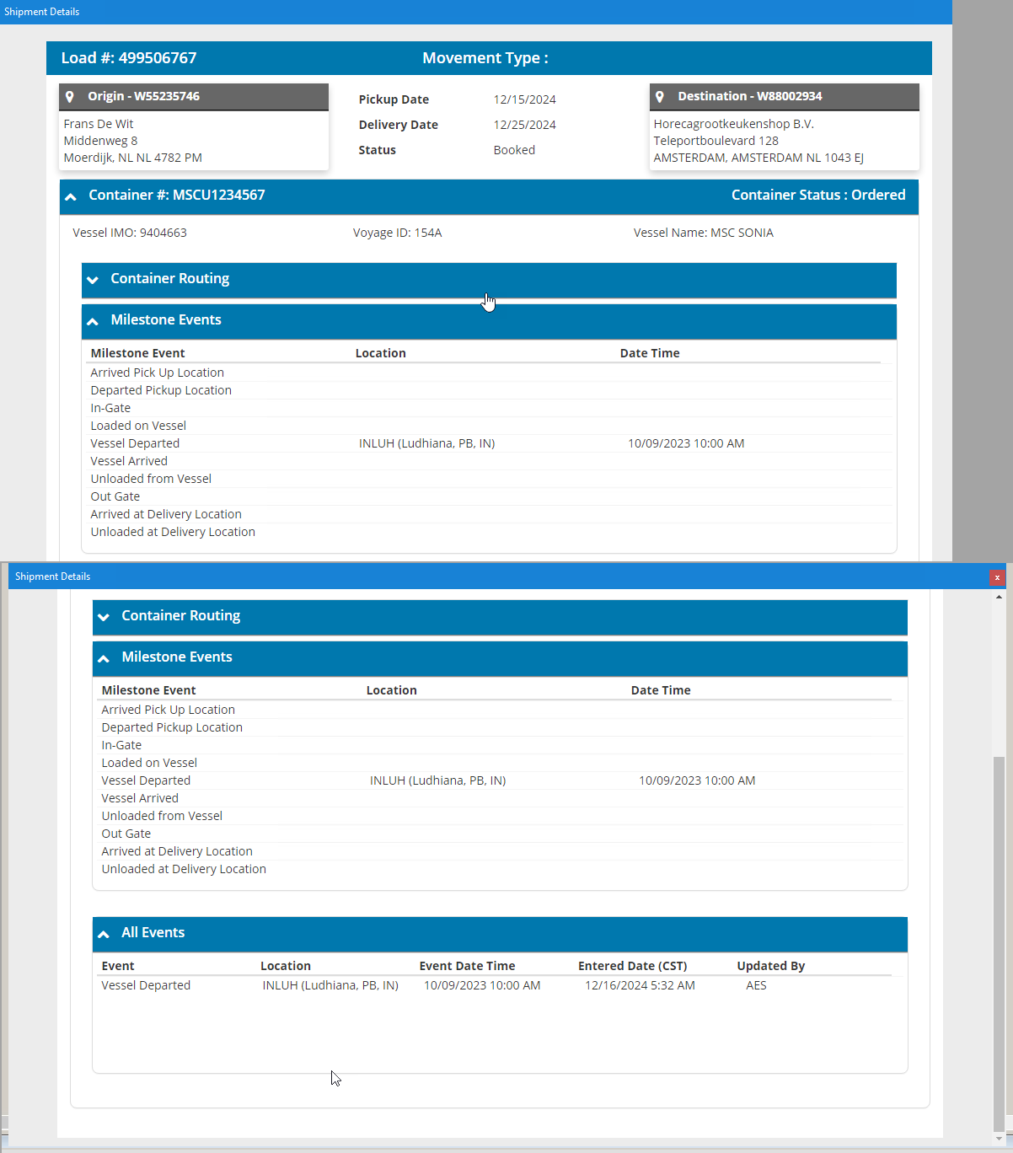
Order created using OESI Order create

Update using AES Tracking collection
Consumer I515 works, mapper I515 works, Message process correctly , Load updated , Shipment screen updated

